#of viewers
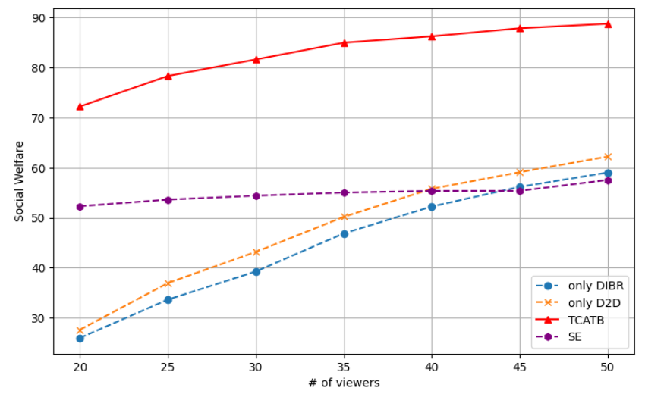
X-axis | 10 | 15 | 20 | 25 | 30 | 35 | 40 | 45 | 50
Social Welfare
Only DIBR | 13.966412776 | 19.660419645 | 25.985496107 | 33.645767976 | 39.261296999 | 46.871684333 | 52.243527018 | 56.169583267 | 59.029249088
Only D2D | 14.163041723 | 20.475567622 | 27.618098993 | 36.954507854 | 43.172769598 | 50.180424211 | 55.790742866 | 59.097077146 | 62.220312424
SE | 47.960294277 | 50.533120743 | 52.308539718 | 53.61912084 | 54.40531361 | 55.023372582 | 55.361010508 | 55.374230678 | 57.550874312
TCATB-P | 47.393908908 | 62.544346899 | 72.222431846 | 78.31640102 | 81.620919462 | 84.973132917 | 86.243900235 | 87.855597663 | 88.762668353
TCATB | 48.160294277 | 63.482334577 | 73.019932268 | 79.816162811 | 83.612806281 | 87.518937103 | 89.094248839 | 92.948301566 | 95.346912126
Sum Rate
Only DIBR | 6.4766124857 | 8.940991243 | 12.025603003 | 15.31178024 | 18.219284389 | 22.125393168 | 25.569936167 | 27.781186633 | 29.084018705
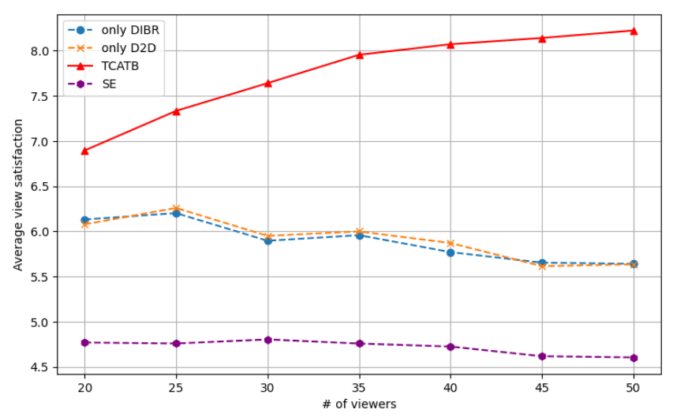
Only D2D | 6.3537783446 | 8.8625270551 | 11.879838559 | 15.128064606 | 18.278523488 | 21.932379781 | 25.193309403 | 26.677461372 | 26.989903348
SE | 26.765071758 | 28.339942514 | 28.294240004 | 28.179356038 | 27.843620545 | 27.305787821 | 27.335360375 | 27.249047818 | 26.275902813
TCATB-P | 27.375147305 | 27.902936933 | 27.836055018 | 27.689913932 | 27.345551128 | 27.317461616 | 26.911316723 | 27.68813745 | 27.292581934
TCATB | 26.891527056 | 27.589045739 | 27.727747206 | 27.089771787 | 26.957677137 | 26.581132935 | 26.277391172 | 26.66009355 | 26.688610447
Average view satisfaction
Only DIBR | 6.3003710977 | 6.3848893257 | 6.1304493668 | 6.2011680852 | 5.8950144851 | 5.957020409 | 5.7695527378 | 5.6526498707 | 5.6400320846
Only D2D | 6.2005205519 | 6.4227714622 | 6.076749878 | 6.2583272011 | 5.9490442302 | 5.9984372596 | 5.8702057819 | 5.6139740545 | 5.634682297
SE | 4.718592472 | 4.6378943069 | 4.7693203793 | 4.758542215 | 4.8034872042 | 4.7580027531 | 4.7246731827 | 4.6178072759 | 4.604552339
TCATB-P | 4.7393908908 | 5.9191791902 | 6.8942157348 | 7.3319436221 | 7.6388266941 | 7.9526688612 | 8.069494615 | 8.1388161122 | 8.221277084
TCATB | 4.7376833811 | 5.843866337 | 6.784993074 | 7.1484403894 | 7.4297817774 | 7.6348418839 | 7.7079897574 | 7.8484574343 | 7.6832673087

# of viewers
X-axis | 2 | 3 | 4 | 5 | 6
Social Welfare | from 20
Only DIBR | 60.44232068 | 58.16713365 | 57.88639503 | 57.19818198 | 52.70466156
Only D2D | 53.77714661 | 21.54888934 | 45.69795807 | 7.838180948 | 5.349876817
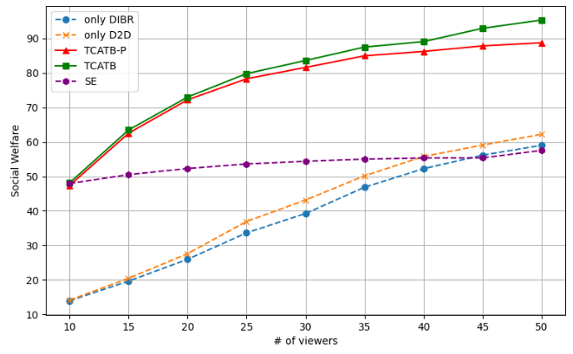
SE | 55.65186646 | 54.99221316 | 54.36107797 | 50.25988325 | 47.89192913
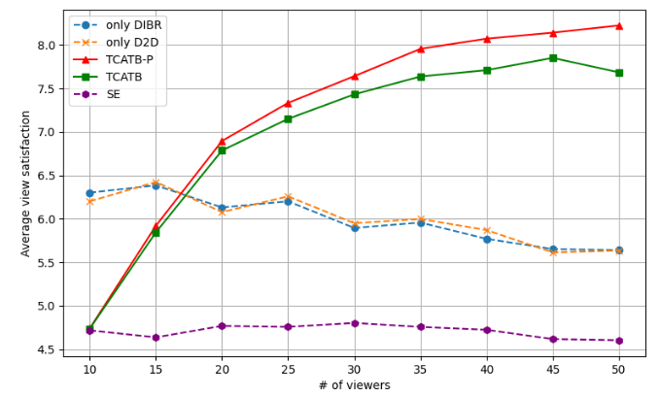
TCATB-P | 82.70205924 | 79.63361388 | 81.82945235 | 77.0526542 | 79.33821088
TCATB | 84.05594066 | 80.65555267 | 84.12453437 | 78.93931708 | 79.58687273
Sum Rate
Only DIBR | 31.98326829 | 32.79360024 | 34.69863445 | 38.50457417 | 34.24629089
Only D2D | 28.12617813 | 12.00908486 | 19.670723 | 3.672827669 | 2.645953841
SE | 27.32043751 | 27.2113315 | 28.87229372 | 28.41220223 | 28.93179239
TCATB-P | 29.20840009 | 27.64327542 | 28.7720752 | 29.07563005 | 29.05067491
TCATB | 28.91957233 | 27.1145264 | 28.33022561 | 28.80741013 | 29.01483358
Average view satisfaction
Only DIBR | 60.44232068 | 58.16713365 | 57.88639503 | 57.19818198 | 52.70466156
Only D2D | 53.77714661 | 21.54888934 | 45.69795807 | 7.838180948 | 5.349876817
SE | 55.65186646 | 54.99221316 | 54.36107797 | 50.25988325 | 47.89192913
TCATB-P | 82.70205924 | 79.63361388 | 81.82945235 | 77.0526542 | 79.33821088
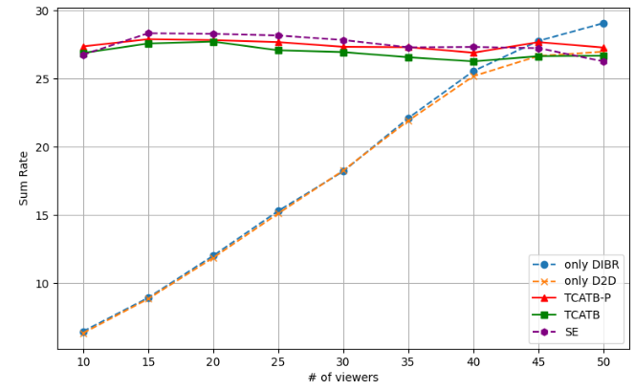
TCATB | 84.05594066 | 80.65555267 | 84.12453437 | 78.93931708 | 79.58687273

# of d2d
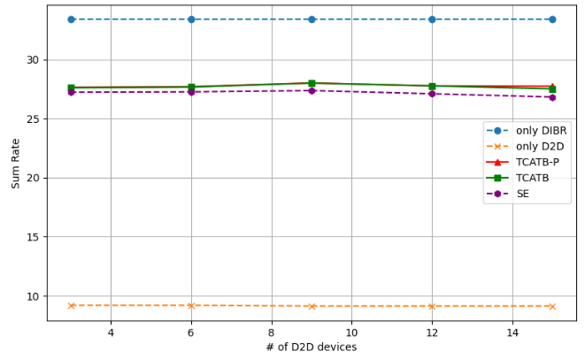
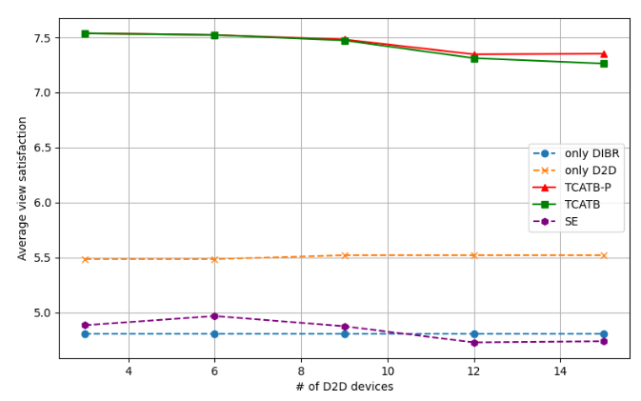
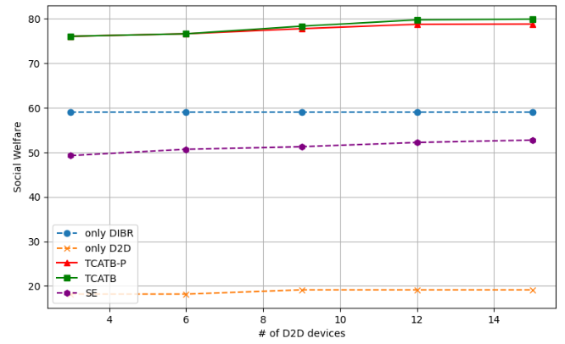
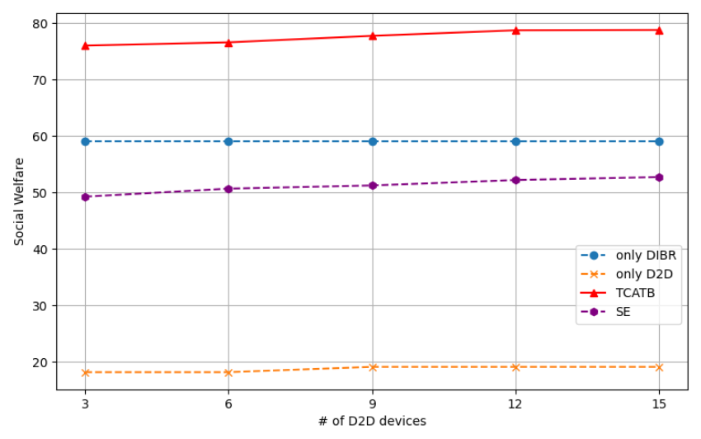
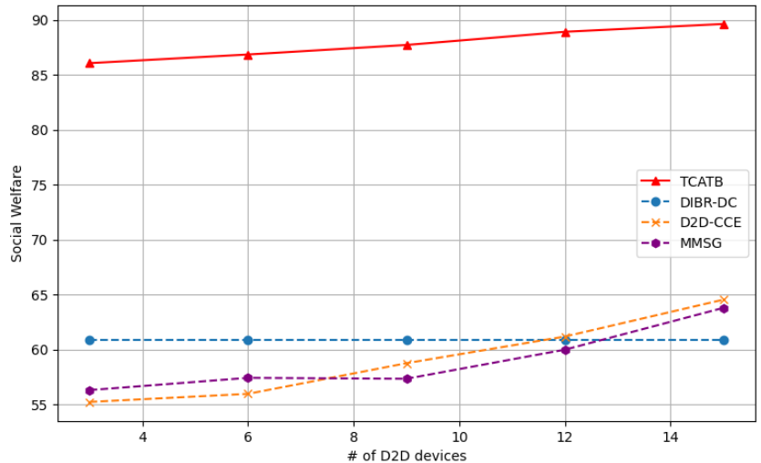
X-axis | 3 | 6 | 9 | 12 | 15
Social Welfare
Only DIBR | 58.994025441 | 58.994025441 | 58.994025441 | 58.994025441 | 58.994025441
Only D2D | 18.184023878 | 18.184023878 | 19.123426209 | 19.123426209 | 19.123426209
SE | 49.262096792 | 50.678336649 | 51.246702053 | 52.204381233 | 52.731876161
TCATB-P | 76.017194997 | 76.585422375 | 77.736376397 | 78.722551716 | 78.781165823
TCATB | 76.017194997 | 76.585422375 | 78.292685659 | 79.708443846 | 79.889983265
Sum Rate
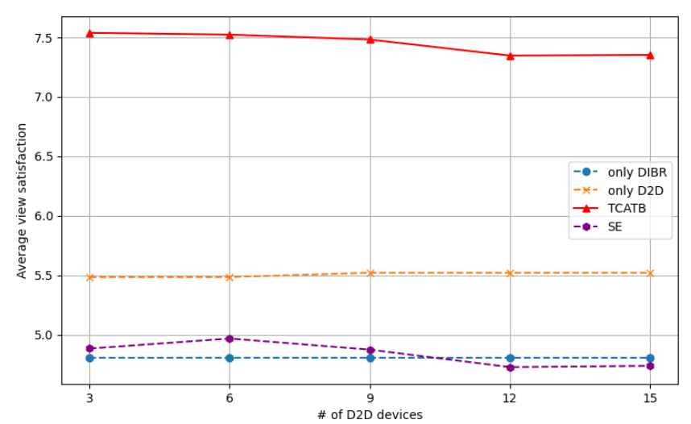
Only DIBR | 33.421422611 | 33.421422611 | 33.421422611 | 33.421422611 | 33.421422611
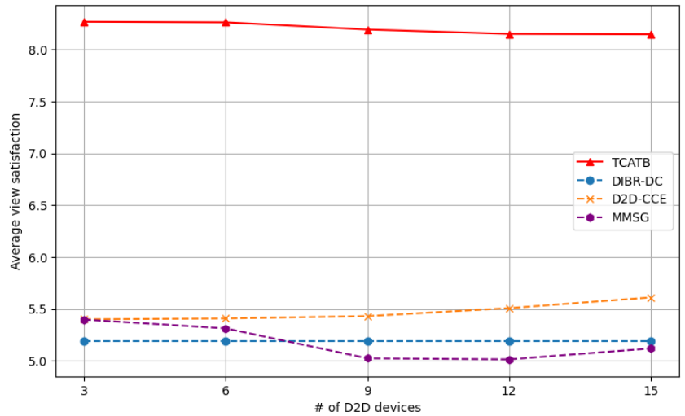
Only D2D | 9.1824166598 | 9.1824166598 | 9.1176582927 | 9.1176582927 | 9.1176582927
SE | 27.223072323 | 27.252636093 | 27.360964145 | 27.092247736 | 26.814127221
TCATB-P | 27.631094555 | 27.686670024 | 28.00757449 | 27.753491812 | 27.725413976
TCATB | 27.603378183 | 27.658953652 | 27.996265193 | 27.758186486 | 27.513810065
Average view satisfaction
Only DIBR | 4.8039453383 | 4.8039453383 | 4.8039453383 | 4.8039453383 | 4.8039453383
Only D2D | 5.4848650244 | 5.4848650244 | 5.5206216318 | 5.5206216318 | 5.5206216318
SE | 4.8842948683 | 4.9683635768 | 4.8751414581 | 4.7284444183 | 4.7389050485
TCATB-P | 7.5361081589 | 7.5207927888 | 7.4797882251 | 7.3449852297 | 7.3503137849
TCATB | 7.5361081589 | 7.5207927888 | 7.471471213 | 7.3104428705 | 7.2611003463

BScapacity
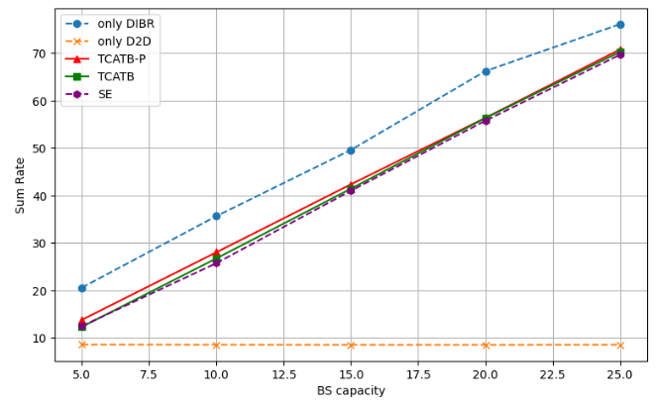
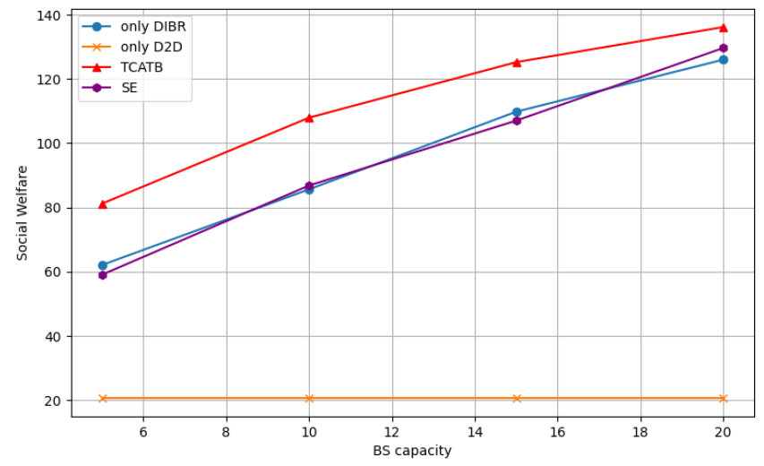
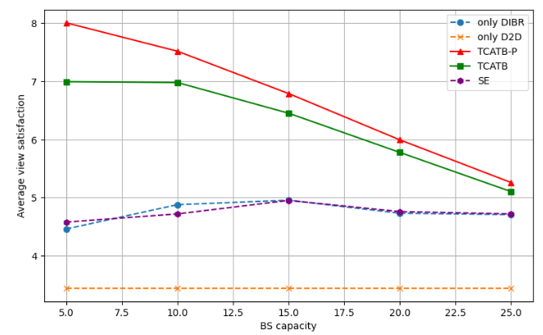
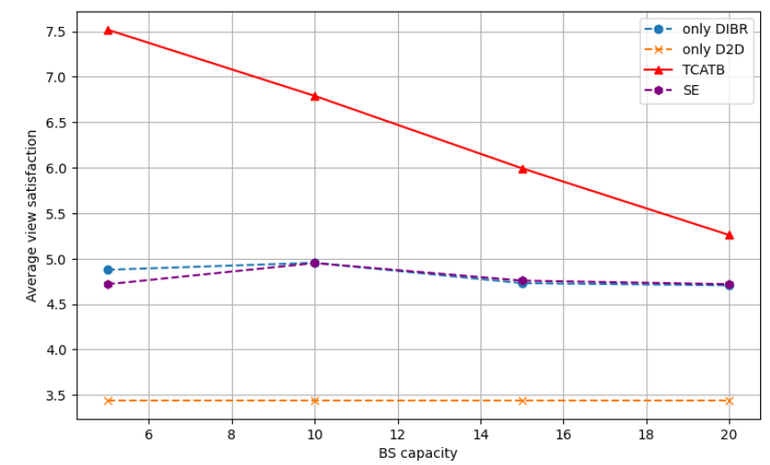
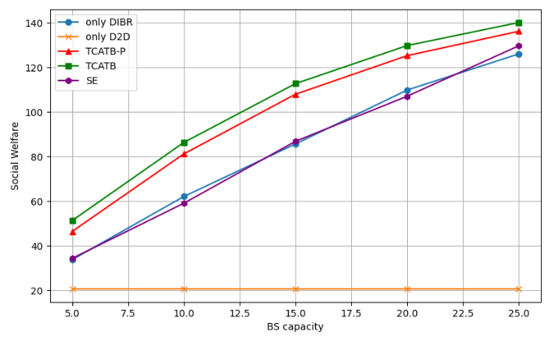
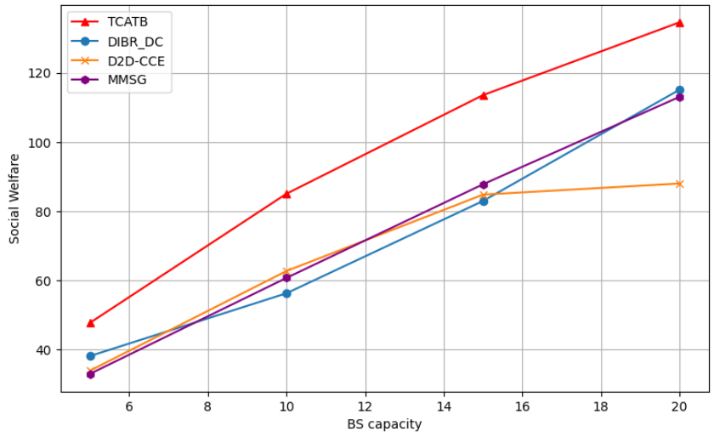
X-axis | 5 | 10 | 15 | 20 | 25
Social Welfare | to20
Only DIBR | 33.659458124 | 62.017676696 | 85.612664639 | 109.82151451 | 126.05720394
Only D2D | 20.660430426 | 20.660430426 | 20.660430426 | 20.660430426 | 20.660430426
SE | 34.24955516 | 58.993613891 | 86.812909228 | 107.04594527 | 129.69370209
TCATB-P | 46.339196519 | 81.152238235 | 107.9633055 | 125.27366095 | 136.21711986
TCATB | 51.230671188 | 86.30755551 | 112.72509472 | 129.81207588 | 140.15536297
Sum Rate
Only DIBR | 20.596382868 | 35.659222928 | 49.609135609 | 66.220456002 | 76.108893588
Only D2D | 8.6035048256 | 8.5677079045 | 8.5488558526 | 8.5488558526 | 8.5677079045
SE | 12.487835505 | 25.745902525 | 41.009502936 | 55.76739831 | 69.673966028
TCATB-P | 13.804081289 | 28.039147374 | 42.357216014 | 56.371599655 | 70.783859205
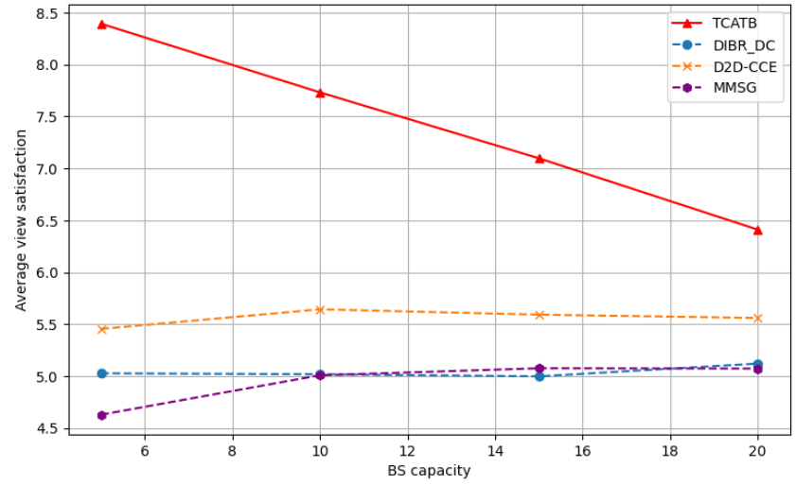
TCATB | 12.325647474 | 26.75053 | 41.436511406 | 56.320066609 | 70.2692392
Average view satisfaction |  | to20
Only DIBR | 4.4589599251 | 4.8777558839 | 4.9545095723 | 4.7305168489 | 4.7064642805
Only D2D | 3.4434050709 | 3.4434050709 | 3.4434050709 | 3.4434050709 | 3.4434050709
SE | 4.5779753594 | 4.7186741327 | 4.9509034534 | 4.758828782 | 4.7191736885
TCATB-P | 8.0077575071 | 7.519174875 | 6.7905770844 | 5.9940868042 | 5.2595950431
TCATB | 6.9945799485 | 6.9803043402 | 6.4522469096 | 5.7776500513 | 5.1037745894

ViewWidth
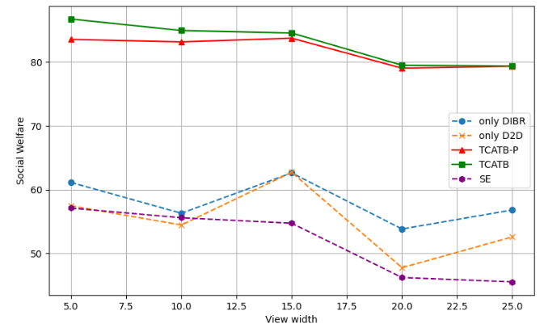
X-axis | 5 | 10 | 15 | 20 | 25
Social Welfare
Only DIBR | 61.118288152 | 56.283587172 | 62.61540901 | 53.808904499 | 56.796565854
Only D2D | 57.445712724 | 54.439543982 | 62.711355165 | 47.732524375 | 52.575173199
SE | 57.091802205 | 55.57440239 | 54.711625079 | 46.191867067 | 45.509299667
TCATB-P | 83.573087181 | 83.185517975 | 83.76732294 | 79.060677763 | 79.368240751
TCATB | 86.773112176 | 84.972139271 | 84.578168639 | 79.523353197 | 79.389011156
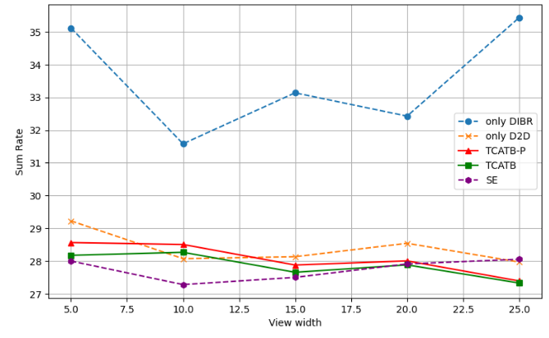
Sum Rate
Only DIBR | 35.113224477 | 31.581236685 | 33.136498446 | 32.425265983 | 35.429531872
Only D2D | 29.228272596 | 28.075072606 | 28.134440288 | 28.545242061 | 27.971605222
SE | 28.002500109 | 27.284191928 | 27.504485108 | 27.914802058 | 28.057335401
TCATB-P | 28.566945289 | 28.508375961 | 27.880989656 | 28.007328549 | 27.395540906
TCATB | 28.177782754 | 28.269619367 | 27.65955553 | 27.885052658 | 27.332112273
Average view satisfaction
Only DIBR | 5.0259654132 | 5.0247406638 | 5.3433654495 | 4.5855489619 | 4.6407580182
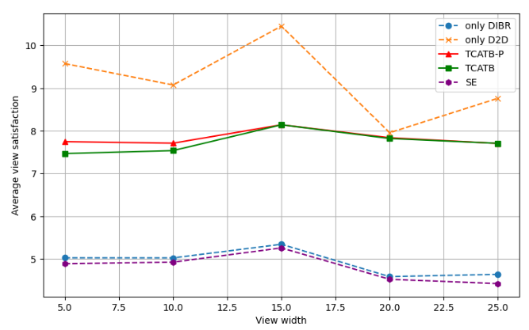
Only D2D | 9.574285454 | 9.0732573303 | 10.451892528 | 7.9554207292 | 8.7625288665
SE | 4.8870099687 | 4.9252996797 | 5.2576135632 | 4.5235111592 | 4.4231191689
TCATB-P | 7.7472255698 | 7.710967125 | 8.1410520488 | 7.8382715341 | 7.7054258566
TCATB | 7.466915835 | 7.537453262 | 8.1411251232 | 7.8203309518 | 7.7073140753

ViewSpacing
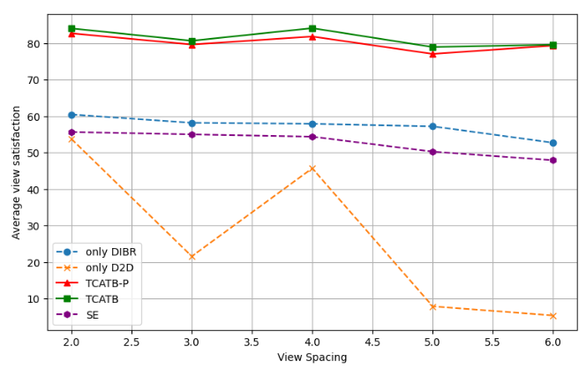
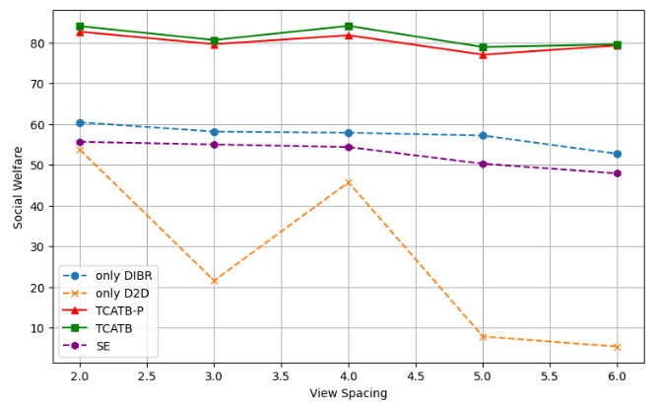
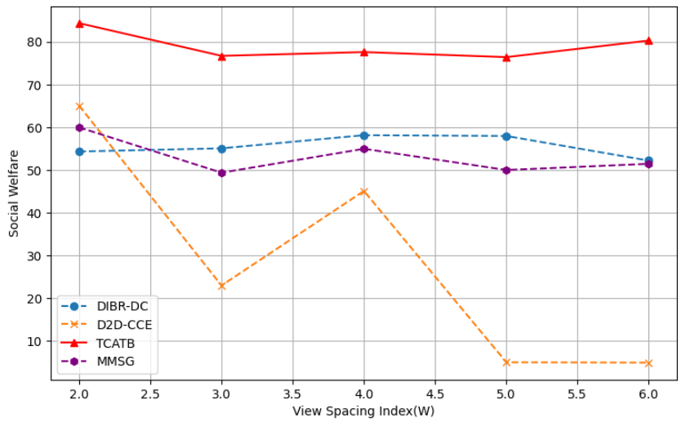
X-axis | 2 | 3 | 4 | 5 | 6
Social Welfare
Only DIBR | 60.44232068 | 58.167133654 | 57.886395034 | 57.19818198 | 52.704661557
Only D2D | 53.77714661 | 21.548889338 | 45.697958069 | 7.8381809478 | 5.3498768171
SE | 55.651866457 | 54.992213162 | 54.36107797 | 50.259883255 | 47.89192913
TCATB-P | 82.702059241 | 79.633613875 | 81.82945235 | 77.052654196 | 79.338210884
TCATB | 84.055940657 | 80.655552669 | 84.12453437 | 78.939317081 | 79.586872728
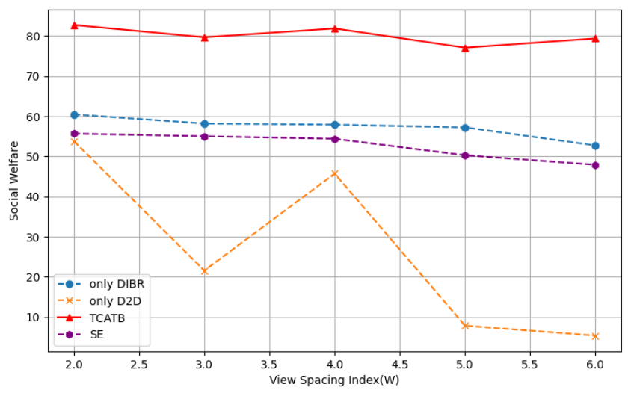
Sum Rate
Only DIBR | 31.983268286 | 32.793600243 | 34.698634453 | 38.504574172 | 34.24629089
Only D2D | 28.126178128 | 12.009084862 | 19.670723 | 3.6728276687 | 2.6459538412
SE | 27.320437511 | 27.211331502 | 28.872293719 | 28.412202225 | 28.931792389
TCATB-P | 29.208400094 | 27.643275423 | 28.772075204 | 29.075630051 | 29.050674915
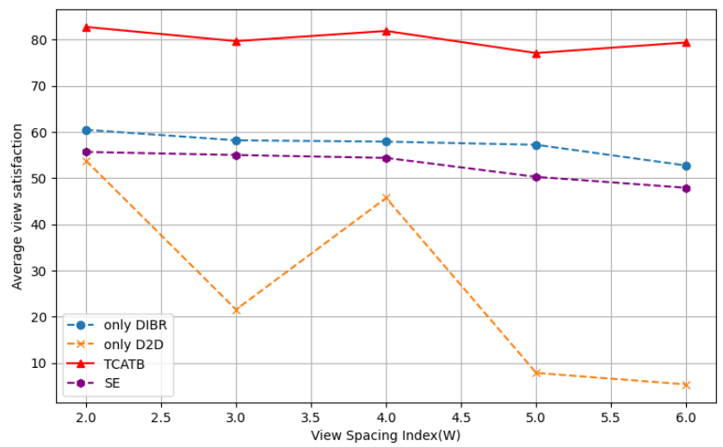
TCATB | 28.919572327 | 27.114526397 | 28.33022561 | 28.807410134 | 29.014833579
Average view satisfaction
Only DIBR | 60.44232068 | 58.167133654 | 57.886395034 | 57.19818198 | 52.704661557
Only D2D | 53.77714661 | 21.548889338 | 45.697958069 | 7.8381809478 | 5.3498768171
SE | 55.651866457 | 54.992213162 | 54.36107797 | 50.259883255 | 47.89192913
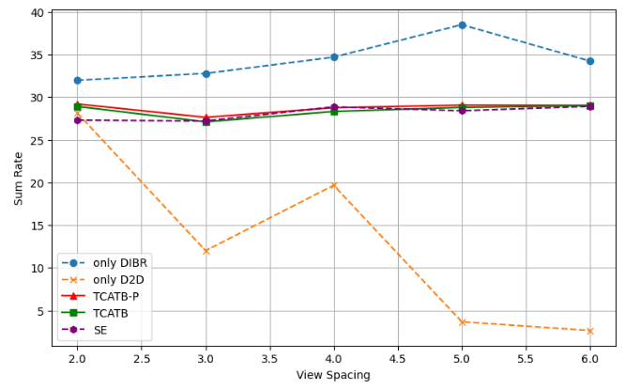
TCATB-P | 82.702059241 | 79.633613875 | 81.82945235 | 77.052654196 | 79.338210884
TCATB | 84.055940657 | 80.655552669 | 84.12453437 | 78.939317081 | 79.586872728

